Composite
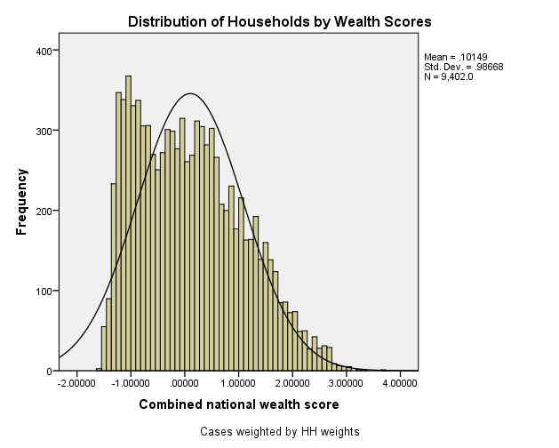
Combined Scores

 | Urban Area

 |  | Coefficientsa
 |  | Model |  | Unstandardized Coefficients |  | Standardized Coefficients | t | Sig.
 |  |  |  | B | Std. Error | Beta
 |  | 1 | (Constant) | 0.960 | 0.004 |  | 265.683 | 0.000
 |  |  | urbscore Urban wealth score | 0.791 | 0.004 | 0.972 | 218.948 | 0.000
 |  | a. Dependent Variable: comscore Common wealth score

 |  |  | Combined Score= .960 + .791 * Urban Score

 | Rural

 |  | Coefficientsa
 |  | Model |  | Unstandardized Coefficients |  | Standardized Coefficients | t | Sig.
 |  |  |  | B | Std. Error | Beta
 |  | 1 | (Constant) | -0.407 | 0.002 |  | -213.084 | 0.000
 |  |  | rurscore Rural wealth score | 0.750 | 0.002 | 0.979 | 393.055 | 0.000
 |  | a. Dependent Variable: comscore Common wealth score

 |  |  | Combined Score= -.407 + .750 * Rural Score

 | Combined Score

 |  | Statistics
 |  | combscor Combined national wealth score
 |  | N | Valid | 9402
 |  |  | Missing | 0
 |  | Mean |  | 0.1014931
 |  | Std. Error of Mean |  | 0.01017570
 |  | Median |  | 0.0025578
 |  | Mode |  | -1.34329
 |  | Std. Deviation |  | 0.98667564
 |  | Skewness |  | 0.462
 |  | Std. Error of Skewness |  | 0.025
 |  | Kurtosis |  | -0.555
 |  | Std. Error of Kurtosis |  | 0.051
 |  | Minimum |  | -1.56617
 |  | Maximum |  | 3.65703
 |  | Percentiles | 20 | -0.8768077
 |  |  | 40 | -0.2842184
 |  |  | 60 | 0.3006864
 |  |  | 80 | 1.0126712

 | histrogram

